Economist Graphic - The Good Ch
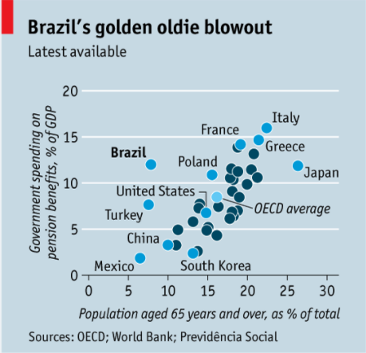
 |  | Your name | Zihan Li

 |  | For this graphic, what do you see first? | I firstly see the overall theme color of this graphic: it is light blue background, with blue circular makers representing data points. Then I move my attention to the title and axies of the graph, which helps me understand the context of this graph. Then I move into what's between the y- axis and x-axis. After I realized what this graphic is trying to present. I move to the details of this graphic: the statement under the title, the source of the data.

 |  | Make a note of the first idea that forms in your mind and then search for more. | My think this graphic is trying to show us Brazil's position in terms of government standing and aging population compared to other countries. Meanwhile I don't understand why some countries are not labeled and are represented with deep blue dots

 | Article: https://www.economist.com/the-americas/2017/02/25/reducing-brazils-pension-burden

 | What I like | What I dislike | What I wish I saw
 | I like that it uses color black for both all the captions in this graph: title. axises, labels and annotations. It presents information to the audience properly and clearly with the color black. | There are several places I was not very clear about: 1. why is the statement "latest available" necessary to be added right under the titile? It made the audience think that there is more information regarding the title yet this statement does not indeed offer much valuable information. 2. The length of the x and y axies caption. The x axis "population aged 65 years and over, as % of total. This phrase took up the entire length of x-axis. Similiarly the y axis label took up nearly twice the length of y-axis, makes it harder to read. 3. The labels denoting different countries are messy. I couldn't immediately identity Brazil when firstly looking at this graph, rather my attentions were drawn by other countries with same dot colors. 4. I couldn't tell the difference between the light blue dots and deep blue dots. While the light blue dots represent the countries as denoted, what do the deep blue dots represent? 5. The sources font is a bit too large, as it is not the main information here. Regular font makes the entire graphic a bit crowded. Overall I think this graphics carry a lot of information but the way it is delivering it is not as clear so that as the audience, I am a bit overwhelmed and confused. | I wish to see that the labels and captions are more of a complimentary role to the graphic itself to deliever the information. The audience should quickly retrive useful information needed from the labels and titles for them to better understand the graph. For instance the x and y axis labels are clear and concise. The graph is more spreaded out so that we can better visulize the relationship between x and y axises.

 | What are three things you'd change, and why?
 | I would change... | because....
 | x axis and y axis captions length shortened and add units at the end of the axises. | The original captions are too long, and as the audience myself, I had to spend more time than expected to understand the labels. I wish to shorten the captions by converting some of the descritive phrase to unit added at the end of axis.
 | Coloring of the dots to emphasize Brazil and de-emphasize other countries | I want to show the audience the differences between Brazil and other countries/the OECE average.
 | Get ride of the phrase "latest available" under the titile and make the source phrase smaller font. | this way the focus of this graphics will be the plot and make this graphic less crowded.

References: | Berinato, S. (2016). Good charts: The HBR guide to making smarter, more persuasive data visualizations.

The Good Charts Matrix
Name of visualization | Design execution (-10 is poor, 10 is excellent) | Contextual awareness (-10 is low, 10 is high)
Economist | 7 | 6

The Good Charts Matrix
Contextual awareness = what am I trying to say, to whom, and where? |  |  | Explanation
 |  |  | I gave a 7 for design execution because I think overall this graphic is not useful excessive colorings, only sticking to blue and black and using the saturation level to present different information. However there still might be some space for improvements, particularly the distinction between Brazil and other countries and the labeling for some countries. | I gave a 6 for contextual awareness because I was a bit confused while reading this graphic in terms of the concepts it was trying to deliver. I was not clear on the wording of the title as well as what the deep-blue dot represent. So I gave a 6, thinking that this graphic could be more conceptualy clear.

Reference: Berinato, S. (2016). Good charts: The HBR guide to making smarter, more persuasive data visualizations.

